Calculations
National Grid cumulative additions (2035)
From pixel analysis:
100 GW = 88 pixels
2035 battery additions: 24 pixels
2035 battery additions: |  |  | BAU national | 2019 (GW) | 2035(GW) | 2050 (1.5x)
27 GW |  |  |  | 1.71 | 27 | 40.5

 |  |  | Potential National (x1.5) | 2019 (GW) | 2035(GW) | 2050 (GW)
 |  |  |  | 1.7131821943 | 221.39 | 515.96

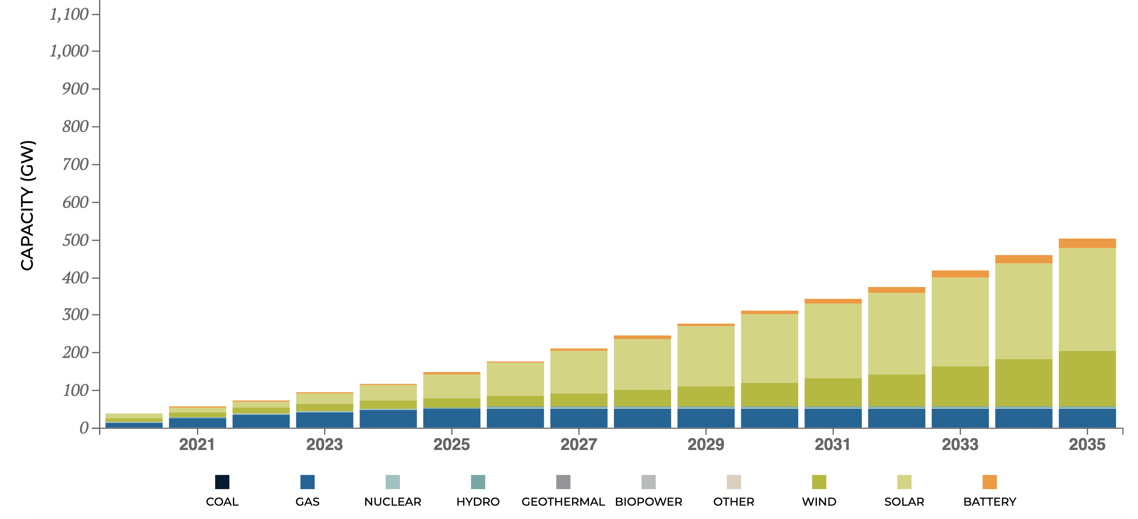

State
NY
 | 2019 | 2035 | 2050
Percent of national |  | 0.036255825067 | 0.036255825067
MW BAU | 254 | 978.90727682 | 1468.3609152
MW Potential | 254 | 8026.8434846 | 18706.694306

 | 2019 | 2020 | 2021 | 2022 | 2023 | 2024 | 2025 | 2026 | 2027 | 2028 | 2029 | 2030 | 2031 | 2032 | 2033 | 2034 | 2035 | 2036 | 2037 | 2038 | 2039 | 2040 | 2041 | 2042 | 2043 | 2044 | 2045 | 2046 | 2047 | 2048 | 2049 | 2050
BAU | 254 | 299.3067048 | 344.6134096 | 389.9201144 | 435.2268192 | 480.53352401 | 525.84022881 | 571.14693361 | 616.45363841 | 661.76034321 | 707.06704801 | 752.37375281 | 797.68045761 | 842.98716241 | 888.29386722 | 933.60057202 | 978.90727682 | 1011.5375194 | 1044.1677619 | 1076.7980045 | 1109.4282471 | 1142.0584896 | 1174.6887322 | 1207.3189747 | 1239.9492173 | 1272.5794599 | 1305.2097024 | 1337.839945 | 1370.4701875 | 1403.1004301 | 1435.7306727 | 1468.3609152

 | 2019 | 2020 | 2021 | 2022 | 2023 | 2024 | 2025 | 2026 | 2027 | 2028 | 2029 | 2030 | 2031 | 2032 | 2033 | 2034 | 2035 | 2036 | 2037 | 2038 | 2039 | 2040 | 2041 | 2042 | 2043 | 2044 | 2045 | 2046 | 2047 | 2048 | 2049 | 2050
Potential | 254 | 812.74107541 | 1371.4821508 | 1930.2232262 | 2488.9643016 | 3047.705377 | 3606.4464525 | 4165.1875279 | 4723.9286033 | 5282.6696787 | 5841.4107541 | 6400.1518295 | 6958.8929049 | 7517.6339803 | 8076.3750557 | 8635.1161311 | 9193.8572065 | 9787.8910356 | 10381.924865 | 10975.958694 | 11569.992523 | 12164.026352 | 12758.060181 | 13352.09401 | 13946.127839 | 14540.161668 | 15134.195498 | 15728.229327 | 16322.263156 | 16916.296985 | 17510.330814 | 18104.364643

For Webapp:

State | 2050 BAU | 2050 Potential | 2019 SYC
AL | 1083.6473984 | 13805.502726 | 1
AK | 0 | 0 | 0
AZ | 907.65806391 | 11563.425422 | 78.3
AR | 443.26332163 | 5647.1071716 | 0
CA | 2573.9390787 | 32791.591637 | 444.98
CO | 643.47705493 | 8197.7996244 | 1
CT | 82.643363334 | 1052.8638554 | 1.6
DE | 155.21025776 | 1977.3550323 | 0
FL | 1896.6493676 | 24163.023925 | 14
GA | 1556.1825007 | 19825.527923 | 1
HI | 0 | 0 | 0
ID | 1011.1791771 | 12882.268629 | 3.09
IL | 1401.7883313 | 17858.569731 | 112.4
IN | 1686.2356218 | 21482.384868 | 23
IA | 1230.6757026 | 15678.620916 | 0
KS | 194.04156876 | 2472.0600173 | 0
KY | 1330.5983598 | 16951.620342 | 0
LA | 953.59202585 | 12148.617098 | 0.5
ME | 19.415843565 | 247.35488837 | 16.2
MD | 1053.0417571 | 13415.591519 | 13
MA | 395.77121173 | 5042.0649285 | 29.5
MI | 1298.8557713 | 16547.224602 | 1
MN | 456.16536001 | 5811.4771744 | 1
MS | 563.97909217 | 7185.0076932 | 0
MO | 1007.4959003 | 12835.344244 | 2.2
MT | 333.99426846 | 4255.0360849 | 0
NE | 141.94100873 | 1808.3068218 | 0
NV | 380.23377895 | 4844.1204025 | 10
NH | 76.786155272 | 978.24391722 | 0
NJ | 235.48162351 | 3000 | 320.8
NM | 451.64099799 | 5753.8374917 | 3.6
NY | 649.40414423 | 8273.309839 | 254
NC | 2088.897462 | 26612.235352 | 1
ND | 78.985659323 | 1006.2652637 | 0
OH | 2037.8761861 | 25962.232072 | 53
OK | 621.52644475 | 7918.1521957 | 0
OR | 584.20005007 | 7442.6196154 | 30.14
PA | 734.79882317 | 9361.2250359 | 30.4
RI | 93.879027868 | 1196.0045094 | 0
SC | 1357.0293994 | 17288.34776 | 4
SD | 161.32636846 | 2055.2733507 | 0
TN | 504.16433045 | 6422.9767436 | 0
TX | 4414.0832227 | 56234.747624 | 105.2
UT | 123.63174256 | 1575.0495608 | 0
VT | 5.4582916538 | 69.537803916 | 2
VA | 704.49340349 | 8975.1386073 | 0
WA | 807.98096929 | 10293.554426 | 89.78
WV | 143.61119285 | 1829.5847129 | 65.5
WI | 824.57657321 | 10504.979891 | 0
WY | 998.49274509 | 12720.645419 | 0

